Nora
Kód | Produkt | Cena s DPH | Sleva | Akční cena | Ušetříte | Obrázek
 |  | 3,304 | 25% | 2,478 | 826

41266 | 41266 SINGLE BOND UNIVERSAL RF VIAL EE

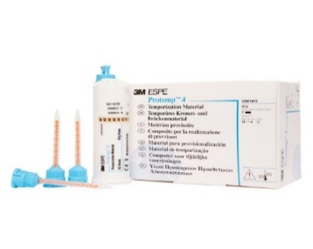
 |  | 3,616 | 30% | 2,531 | 1,085
46954 | 46954 PROTEMP 4 RF A1
46957-EE | 46957 PROTEMP 4 RF A3 EE
46960 | 46960 PROTEMP 4 RF B3

46956-EE | 46956 PROTEMP 4 RF A2 EE
46972 | 46972 PROTEMP 4 RF A3.5
46959 | 46959 PROTEMP 4 RF BLEACH

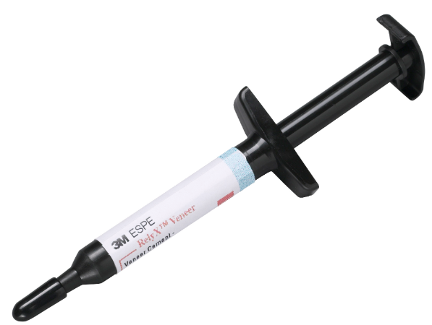
 |  | 2,102 | 25% | 1,577 | 525
8714A1 | 8714A1 VENEER CEMENT SYR 3G WE
8714A3 | 8714A3 VENEER CEMENT SYR 3G WE
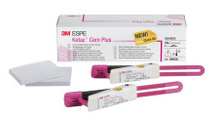
8714WO | 8714WO VENEER CEMENT SYR 3G WE
8714TR | 8714TR VENEER CEMENT SYR 3G WE
8714B0.5 | 8714B0.5 VENEER CEMENT SYR 3G WE
 |  | 6,324 | 25% | 4,743 | 1,581
56930_EE | 56930 CEM PLUS LUTING CEMENT RF EE

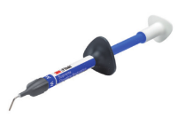
 |  | 2,035 | 30% | 1,425 | 610
3930A1 | 3930A1 SUP FLOW SYR 2G, 2 SYR/KT CEE MDR
3930A2 | 3930A2 SUP FLOW SYR 2G, 2 SYR/KT CEE MDR
3930A3 | 3930A3 SUP FLOW SYR 2G, 2 SYR/KT CEE MDR
3930A3.5 | 3930A3.5 SUP FLOW SYR 2G 2SYR/KT CEE MDR
3930A4 | 3930A4 SUP FLOW SYR 2G, 2 SYR/KT CEE MDR
3930B1 | 3930B1 SUP FLOW SYR 2G, 2 SYR/KT CEE MDR
3930B2 | 3930B2 SUP FLOW SYR 2G, 2 SYR/KT CEE MDR | 2,035 | 30% | 1,425 | 610
3930C2 | 3930C2 SUP FLOW SYR 2G, 2 SYR/KT CEE MDR
3930D2 | 3930D2 SUP FLOW SYR 2G, 2 SYR/KT CEE MDR
3930OA3 | 3930OA3 SUP FLOW SYR 2G, 2SYR/KT CEE MDR
3930W | 3930W SUP FLOW SYR 2G, 2 SYR/KT CEE MDR
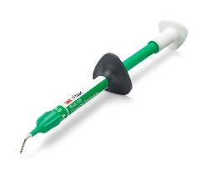
3930XW | 3930XW SUP FLOW SYR 2G, 2 SYR/KT CEE MDR

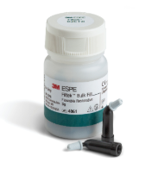
4862A1 | 4862A1 BULK FLOW SYR 2G, 2SYR/KT CEE MDR | 2,411 | 30% | 1,688 | 723
4862A2 | 4862A2 BULK FLOW SYR 2G, 2SYR/KT CEE MDR
4862A3 | 4862A3 BULK FLOW SYR 2G, 2SYR/KT CEE MDR
4862U | 4862U BULK FLOW SYR 2G, 2SYR/KT CEE MDR

4861A1 | 4861A1 BULK FLOW CAP 0.2G 15/BG CEE MDR | 2,220 | 30% | 1,554 | 666
4861A2 | 4861A2 BULK FLOW CAP 0.2G 15/BG CEE MDR
4861A3 | 4861A3 BULK FLOW CAP 0.2G 15/BG CEE MDR
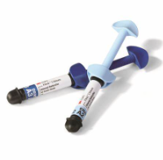
3920A2D | 3920A2D ULTIMATE UNIV REST SYR 4G EE | 1,877 | 25% | 1,408 | 469
3920A1D | 3920A1D ULTIMATE UNIV REST SYR 4G EE
3920A3D | 3920A3D ULTIMATE UNIV REST SYR 4G EE
3920A4D | 3920A4D ULTIMATE UNIV REST SYR 4G EE
3920B3D | 3920B3D ULTIMATE UNIV REST SYR 4G EE
3920C4D | 3920C4D ULTIMATE UNIV REST SYR 4G EE
3920WD U | 3920WD ULTIMATE UNIV REST SYR 4G EE
3920A1B | 3920A1B ULTIMATE UNIV REST SYR 4G EE
3920A2B | 3920A2B ULTIMATE UNIV REST SYR 4G EE
3920A3B | 3920A3B ULTIMATE UNIV REST SYR 4G EE
3920A3.5B | 3920A3.5B ULTIMATE UNIV RST SYR 4G EE
3920A4B | 3920A4B ULTIMATE UNIV REST SYR 4G EE
3920A6B | 3920A6B ULTIMATE UNIV REST SYR 4G EE
3920B1B | 3920B1B ULTIMATE UNIV REST SYR 4G EE
3920B2B | 3920B2B ULTIMATE UNIV REST SYR 4G EE
3920B3B | 3920B3B ULTIMATE UNIV REST SYR 4G EE | 1,877 | 25% | 1,408 | 469
3920B5B | 3920B5B ULTIMATE UNIV REST SYR 4G EE
3920C1B | 3920C1B ULTIMATE UNIV REST SYR 4G EE
3920C2B | 3920C2B ULTIMATE UNIV REST SYR 4G EE
3920C3B | 3920C3B ULTIMATE UNIV REST SYR 4G EE
3920D2B | 3920D2B ULTIMATE UNIV REST SYR 4G EE
3920D3B | 3920D3B ULTIMATE UNIV REST SYR 4G EE
3920WB | 3920WB ULTIMATE UNIV REST SYR 4G EE
3920XWB | 3920XWB ULTIMATE UNIV REST SYR 4G EE
3920A1E | 3920A1E ULTIMATE UNIV REST SYR 4G EE
3920A2E | 3920A2E ULTIMATE UNIV REST SYR 4G EE
3920A3E | 3920A3E ULTIMATE UNIV REST SYR 4G EE
3920B1E | 3920B1E ULTIMATE UNIV REST SYR 4G EE
3920B2E | 3920B2E ULTIMATE UNIV REST SYR 4G EE
3920D2E | 3920D2E ULTIMATE UNIV REST SYR 4G EE
3920WE | 3920WE ULTIMATE UNIV REST SYR 4G EE
3920XWE | 3920XWE ULTIMATE UNIV REST SYR 4G EE
3920CT | 3920CT ULTIMATE UNIV REST SYR 4G EE
3920BT | 3920BT ULTIMATE UNIV REST SYR 4G EE
3920AT | 3920AT ULTIMATE UNIV REST SYR 4G EE
 |  | 5,106 | 25% | 3,830 | 1,276
61085 | 61085 KETAC UNIVERSAL AC RF 50 ASSORT
61086 | 61086 KETAC UNIVERSAL AC RF 50 WHITE
61087 | 61087 KETAC UNIVERSAL AC RF 50 A1
61088 | 61088 KETAC UNIVERSAL AC RF 50 A2
61089 | 61089 KETAC UNIVERSAL AC RF 50 A3
61095 | 61095 KETAC UNIVERSAL AC RF 50 A3.5
61096 | 61096 KETAC UNIVERSAL AC RF 50 A4

61104EE | 61104 KETAC UNIVERSAL HM INTRO KIT A3 EE | 3,920 | 25% | 2,940 | 980

 |  | 658 | 25% | 494 | 164
12637 | 12637 CLINPRO SEALANT SYR 1.2ML WE

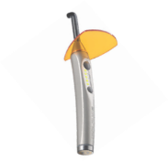
76190 | 76190 CAPMIX 230V/50HZ | 25,825 | 30% | 18,078 | 7,747
76973 | 76973 ELIPAR DEEPCURE-L 100V - 240V INT | 32,969 | 30% | 23,078 | 9,891
76975 | 76975 ELIPAR DEEPCURE-S 230V INT | 62,940 | 30% | 44,058 | 18,882
77903 | 77903 PENTAMIX LITE 230V 50HZ INT | 30,829 | 30% | 21,580 | 9,249
77871 | 77871 PENTAMIX 3 WE/EE/APAC | 51,508 | 30% | 36,056 | 15,452

